Indices

 | Iraq Stock Exchange
 | Bulletin No (177)

 | ISX Trading Indices of Monday 6/10/2025

 | Traded Volume and OTC |  | 827,894,081 |  | Traded Value and OTC |  | 898,389,893 |  | Traders | 937

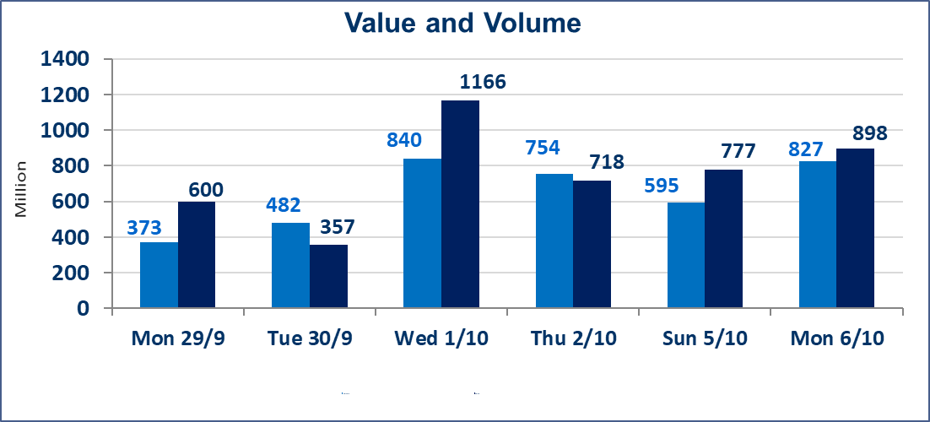
 | ISX Index 60 |  |  | 956.24 | ISX Index 15 |  |  | 1125.84
 | Previous ISX Index60 |  |  | 960.37 | Previous ISX Index15 |  |  | 1128.13
 | Change % |  |  | -0.43 | Change % |  |  | -0.20
 | Change |  |  | -4.13 | Change |  |  | -2.29

 | Listed Companies | 104 | OTC | 11 | Non Traded listed | 46 | OTC | 8
 | Traded Listed Companies | 40 | OTC | 2 | Higher Companies |  |  | 8
 | GAM Companies |  |  | 8 | Lower Companies |  |  | 15
 | Suspended Companies |  |  | 10
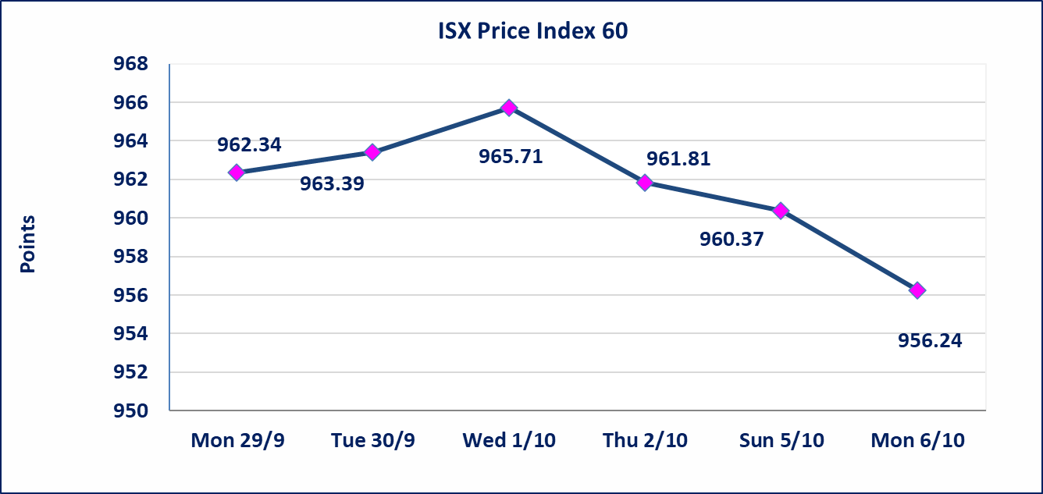
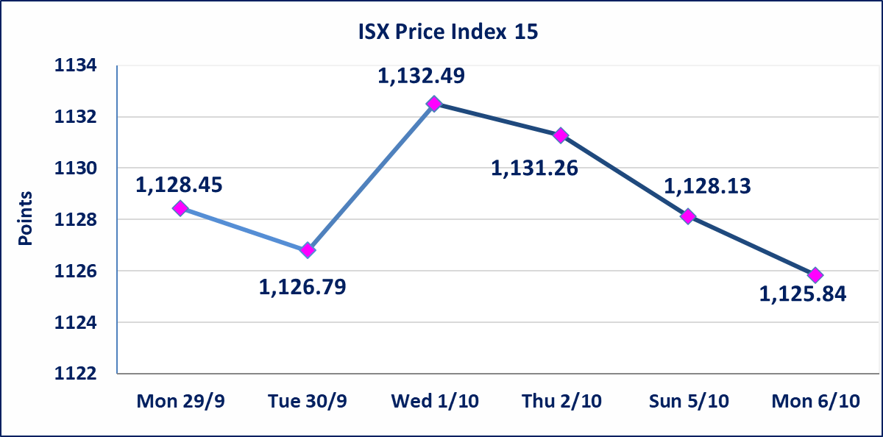

Al-Alwiya P.O . 3607 Mobile: 07711211522 - 07270094594 - 07834000034 E-mail: info-isx@isx-iq.net Web site:www.isx-iq.net

Top 5
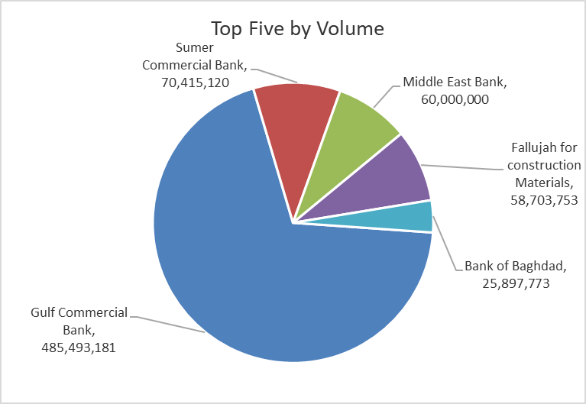
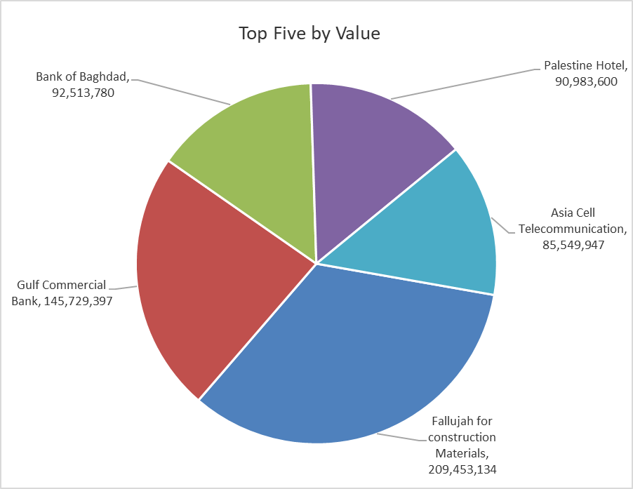
ISX top ganing and losing companies
Monday 6/10/2025
Gainers |  |  |  | Losers
Company Name | Closing Price | Change (%) | Traded Volume | Company Name | Closing Price | Change (%) | Traded Volume
Baghdad -Iraq Transportation | 34.000 | 6.25 | 1,497,322 | Babil Animal & Vegetable Production | 11.050 | -15.00 | 1,660
Al-Ahlyia agricultural production | 2.450 | 6.06 | 340,000 | Iraqi Agricultural Products | 14.000 | -5.41 | 2,000
Palestine Hotel | 32.520 | 4.97 | 2,798,000 | Agricultural Products Meat | 4.650 | -5.10 | 874,525
Economy Bank | 0.250 | 4.17 | 23,936,516 | Gulf Commercial Bank | 0.300 | -3.23 | 485,493,181
Baghdad Hotel | 11.900 | 3.48 | 573,767 | Fallujah for construction Materials | 3.460 | -3.08 | 58,703,753

The most active companies in term of traded volume and value

Traded Volume |  |  |  | Traded Value
Company Name | Closing Price | Change (%) | Traded Volume | Company Name | Closing Price | Change (%) | Traded Value
Gulf Commercial Bank | 0.300 | -3.23 | 485,493,181 | Fallujah for construction Materials | 3.460 | -3.08 | 209,453,134
Sumer Commercial Bank | 0.080 | 0.00 | 70,415,120 | Gulf Commercial Bank | 0.300 | -3.23 | 145,729,397
Middle East Bank | 0.070 | 0.00 | 60,000,000 | Bank of Baghdad | 3.560 | -1.11 | 92,513,780
Fallujah for construction Materials | 3.460 | -3.08 | 58,703,753 | Palestine Hotel | 32.520 | 4.97 | 90,983,600
Bank of Baghdad | 3.560 | -1.11 | 25,897,773 | Asia Cell Telecommunication | 12.040 | -0.08 | 85,549,947

Non Iraqis

Iraq Stock Exchange
Non Iraqis' Bulletin Monday Oct 6 2025
Regular Market

Non Iraqi Trading of Regular Market (Buy)
Company Names | Code | No.of trades | Traded Shares | Trading Volume
Banks Sector
Bank Of Baghdad | BBOB | 1 | 100,000 | 359,000
Total Bank sector |  | 1 | 100,000 | 359,000
Grand Total |  | 1 | 100000 | 359000

Non Iraqi Trading of Regular Market (Sell)
Company Names | Code | No.of trades | Traded Shares | Trading Volume
Services Sector
Iraq Baghdad For General Transportation | SBPT | 3 | 463,162 | 15,215,927
Total Services sector |  | 3 | 463,162 | 15,215,927
Grand Total |  | 3 | 463162 | 15215927

